DC_DC_CONVERTER
Reference | Value | Qty | Description_1 | Picure | Onde Comprar
C3 | 10uF | 1 |  |  | https://www.baudaeletronica.com.br
C4 | 22uF | 1
C5 | 100nF | 1
C6 | C_Polarized 10uF | 1
C7 | 22pF | 1
C8 | 22pF | 1
C9 | 22pF | 1
C10 | 22pF | 1
C11 | 100nF | 1
C12 | 100uF | 1
C13 | 1000uF | 1
C14 | 22pF | 1
C16 | 135uF | 1
C17 | 135uF | 1
C18 | 47uF | 1
C19 | 47uF | 1
D1 | LED | 1
D2 | LED | 1
D3 | LED | 1
D4 | 1N4004 | 1
D5 | 1N4004 | 1
D6 | 1N4004 | 1
D7 | 1N4004 | 1
D8 | 1N5822 | 1
D18 | 1N5338BG | 1 | Diode Zener Single 5.1V 5% 5W 2-Pin Case 017AA-01 Bulk
D19 | 1N5338BG | 1 | Diode Zener Single 5.1V 5% 5W 2-Pin Case 017AA-01 Bulk
D22 | 1N4004 | 1
D23 | 1N4004 | 1
J2 | USB_B | 1 | Módulo Adaptador USB B para DIP | 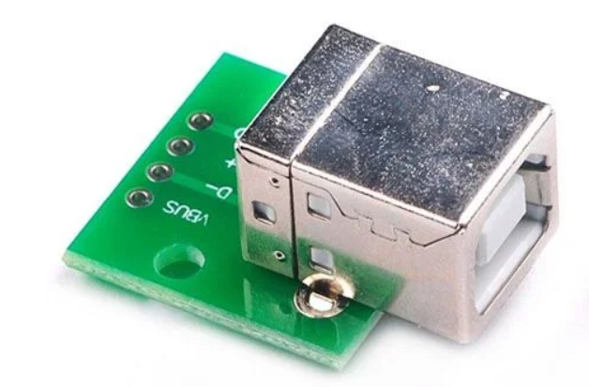 | https://www.baudaeletronica.com.br/produto/modulo-adaptador-usb-b-para-dip.html
J3 | Screw_Terminal_01x02 | 1
J4 | Screw_Terminal_01x02 | 1
JP1 | Jumper_3_Open | 1
K1 | SRD-05VDC-SL-C | 1 | 5V Trigger Relay Module For Arduino And Raspberry Pi 5V Trigger Relay Module For Arduino And Raspberry Pi | 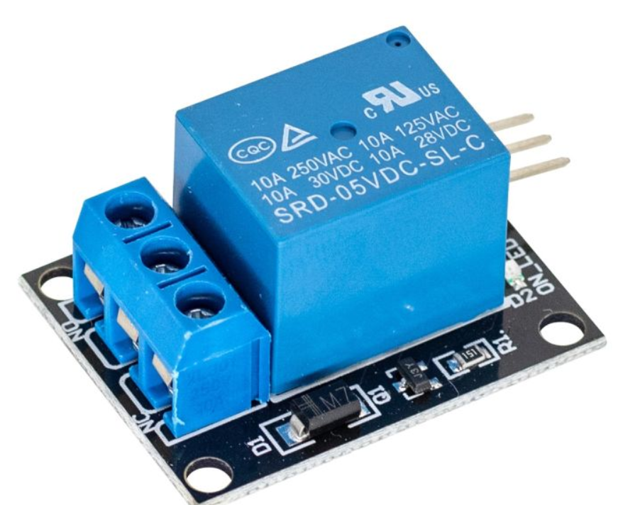
K2 | SRD-05VDC-SL-C | 1 | 5V Trigger Relay Module For Arduino And Raspberry Pi 5V Trigger Relay Module For Arduino And Raspberry Pi
K3 | SRD-05VDC-SL-C | 1 | 5V Trigger Relay Module For Arduino And Raspberry Pi 5V Trigger Relay Module For Arduino And Raspberry Pi
K4 | SRD-05VDC-SL-C | 1 | 5V Trigger Relay Module For Arduino And Raspberry Pi 5V Trigger Relay Module For Arduino And Raspberry Pi
L1 | 100uH | 1
L2 | 2.78mH | 1 | Indutor Toroidal 470uH 3A | 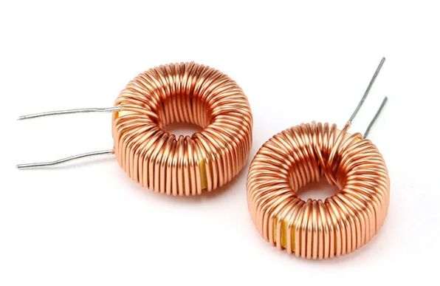 | https://www.autocorerobotica.com.br/indutor-toroidal-470uh-3a
Q1 | BC547 | 1
Q2 | IRLZ44N | 1
Q3 | BC547 | 1
Q4 | IRLZ44N | 1
Q5 | BC547 | 1
Q6 | IRLZ44N | 1
Q7 | BC547 | 1
Q10 | IRLZ44N | 1 | Transistor IRFZ44N - MOSFET de canal N TO-220 |  | https://www.saravati.com.br/transistor-irfz44n-mosfet-de-canal-n-to-220.html?gad_source=1&gad_campaignid=19971024214&gbraid=0AAAAAC2QUl8mfz5TFglcIUoZiDAR5XQ1m&gclid=Cj0KCQjw8vvABhCcARIsAOCfwwoskUjii9Neibs9EoG1PqB_58PhV2QzZzmNTwdwimWAomylVxA9t6YaAimFEALw_wcB
Q27 | IRLZ44N | 1 | Transistor IRFZ44N - MOSFET de canal N TO-220 |  | https://www.saravati.com.br/transistor-irfz44n-mosfet-de-canal-n-to-220.html?gad_source=1&gad_campaignid=19971024214&gbraid=0AAAAAC2QUl8mfz5TFglcIUoZiDAR5XQ1m&gclid=Cj0KCQjw8vvABhCcARIsAOCfwwoskUjii9Neibs9EoG1PqB_58PhV2QzZzmNTwdwimWAomylVxA9t6YaAimFEALw_wcB
Q28 | IRLZ44N | 1 | Transistor IRFZ44N - MOSFET de canal N TO-220 |  | https://www.saravati.com.br/transistor-irfz44n-mosfet-de-canal-n-to-220.html?gad_source=1&gad_campaignid=19971024214&gbraid=0AAAAAC2QUl8mfz5TFglcIUoZiDAR5XQ1m&gclid=Cj0KCQjw8vvABhCcARIsAOCfwwoskUjii9Neibs9EoG1PqB_58PhV2QzZzmNTwdwimWAomylVxA9t6YaAimFEALw_wcB
Q32 | IRLZ44N | 1 | Transistor IRFZ44N - MOSFET de canal N TO-220 |  | https://www.saravati.com.br/transistor-irfz44n-mosfet-de-canal-n-to-220.html?gad_source=1&gad_campaignid=19971024214&gbraid=0AAAAAC2QUl8mfz5TFglcIUoZiDAR5XQ1m&gclid=Cj0KCQjw8vvABhCcARIsAOCfwwoskUjii9Neibs9EoG1PqB_58PhV2QzZzmNTwdwimWAomylVxA9t6YaAimFEALw_wcB
Q33 | IRLZ44N | 1 | Transistor IRFZ44N - MOSFET de canal N TO-220 |  | https://www.saravati.com.br/transistor-irfz44n-mosfet-de-canal-n-to-220.html?gad_source=1&gad_campaignid=19971024214&gbraid=0AAAAAC2QUl8mfz5TFglcIUoZiDAR5XQ1m&gclid=Cj0KCQjw8vvABhCcARIsAOCfwwoskUjii9Neibs9EoG1PqB_58PhV2QzZzmNTwdwimWAomylVxA9t6YaAimFEALw_wcB
Q34 | IRLZ44N | 1 | Transistor IRFZ44N - MOSFET de canal N TO-220 |  | https://www.saravati.com.br/transistor-irfz44n-mosfet-de-canal-n-to-220.html?gad_source=1&gad_campaignid=19971024214&gbraid=0AAAAAC2QUl8mfz5TFglcIUoZiDAR5XQ1m&gclid=Cj0KCQjw8vvABhCcARIsAOCfwwoskUjii9Neibs9EoG1PqB_58PhV2QzZzmNTwdwimWAomylVxA9t6YaAimFEALw_wcB
Q35 | IRLZ44N | 1 | Transistor IRFZ44N - MOSFET de canal N TO-220 |  | https://www.saravati.com.br/transistor-irfz44n-mosfet-de-canal-n-to-220.html?gad_source=1&gad_campaignid=19971024214&gbraid=0AAAAAC2QUl8mfz5TFglcIUoZiDAR5XQ1m&gclid=Cj0KCQjw8vvABhCcARIsAOCfwwoskUjii9Neibs9EoG1PqB_58PhV2QzZzmNTwdwimWAomylVxA9t6YaAimFEALw_wcB
Q36 | IRLZ44N | 1 | Transistor IRFZ44N - MOSFET de canal N TO-220 | 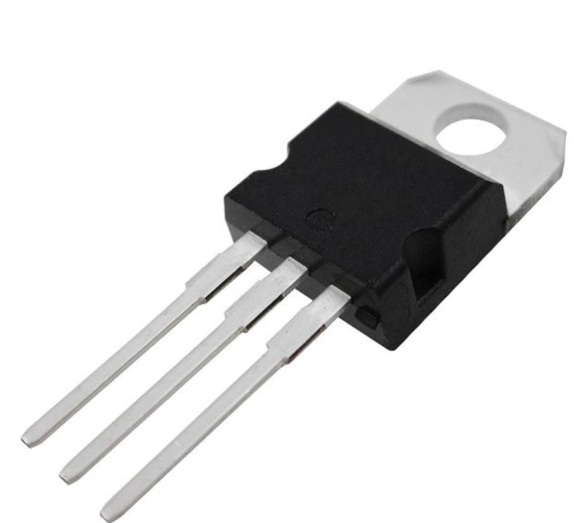 | https://www.saravati.com.br/transistor-irfz44n-mosfet-de-canal-n-to-220.html?gad_source=1&gad_campaignid=19971024214&gbraid=0AAAAAC2QUl8mfz5TFglcIUoZiDAR5XQ1m&gclid=Cj0KCQjw8vvABhCcARIsAOCfwwoskUjii9Neibs9EoG1PqB_58PhV2QzZzmNTwdwimWAomylVxA9t6YaAimFEALw_wcB
R1 | 0.25 | 1
R2 | 3.15 | 1
R3 | 1K | 1
R4 | 1K | 1
R5 | 1K | 1
R6 | 1K | 1
R7 | 1K | 1
R8 | 1M | 1
R9 | 220 | 1
R10 | 220 | 1
R11 | 10K | 1
R12 | 220 | 1
R13 | 220 | 1
R14 | 10K | 1
R15 | 220 | 1
R16 | 220 | 1
R39 | 100K | 1
R40 | 10K | 1
R41 | 100K | 1
R42 | 10K | 1
R47 | 47 | 1
R48 | 220 | 1
R49 | 220 | 1
R50 | 220 | 1
R51 | 220 | 1
U2 | LT1083-ADJ | 1
U3 | ATmega328P-P | 1 | Arduino Uno R3 + Cabo USB 2.0 - A-B | 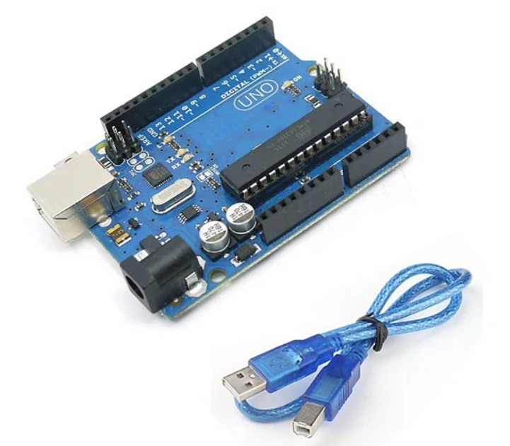 | https://www.baudaeletronica.com.br/produto/arduino-uno-r3.html
U4 | CH340G | 1 | Módulo Conversor USB 2.0 para TTL CH340G - 6 PINOS | 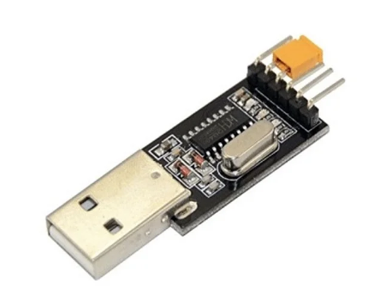 | https://www.eletrogate.com/modulo-conversor-usb-20-para-rs232-ttl-ch340g-6-pinos?utm_source=Site&utm_medium=GoogleMerchant&utm_campaign=GoogleMerchant&gad_source=1&gad_campaignid=22470016551&gbraid=0AAAAADqxjs9dPB_nYlJZM_oQM1cEqEo2O&gclid=Cj0KCQjw8vvABhCcARIsAOCfwwoxaVy0Y3cwJtGQr0tuGCo72nnE7MkTMT16D0MrlsG7OJmu9trRR18aAozsEALw_wcB
U5 | LCD-16X2 | 1 | Display LCD 16x2 (Verde) | 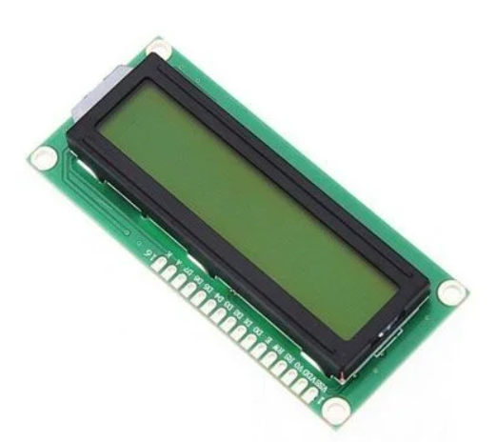 | https://www.baudaeletronica.com.br/produto/display-lcd-16x2-verde.html
U6 | LM2576HVT-5.0 | 1 | Ci Regulador de tensão LM2576HVT-5.0 TO220 - National | 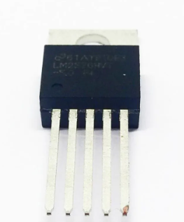 | https://www.acheicomponentes.com.br/ci-regulador-de-tensao-lm2576hvt-5-0
U8 | IR2104 | 1 | Circuito Integrado IR2103 DIP-8 - Cód. Loja 4995 - IR | 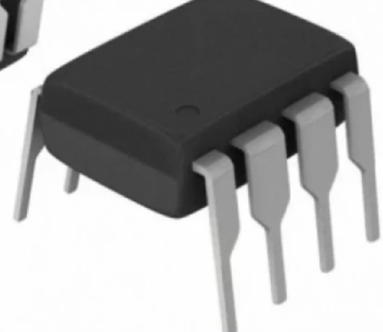 | https://www.multcomercial.com.br/circuito-integrado-ir2103-dip-08-cod-loja-4995-ir.html?gad_source=1&gad_campaignid=21130617567&gbraid=0AAAAAD9cfavCZf8BUfVtVi4uVy8H26enN&gclid=Cj0KCQjw8vvABhCcARIsAOCfwwr14rdqqZGD97-EzDk80T-AFMyp6074HuvATj8C3QC68ARVnpnJa-QaAmitEALw_wcB
U9 | IR2104 | 1 | Circuito Integrado IR2103 DIP-8 - Cód. Loja 4995 - IR |  | https://www.multcomercial.com.br/circuito-integrado-ir2103-dip-08-cod-loja-4995-ir.html?gad_source=1&gad_campaignid=21130617567&gbraid=0AAAAAD9cfavCZf8BUfVtVi4uVy8H26enN&gclid=Cj0KCQjw8vvABhCcARIsAOCfwwr14rdqqZGD97-EzDk80T-AFMyp6074HuvATj8C3QC68ARVnpnJa-QaAmitEALw_wcB
Y1 | 16MHz | 1 | Cristal Oscilador 16MHz - Caneca Baixa | 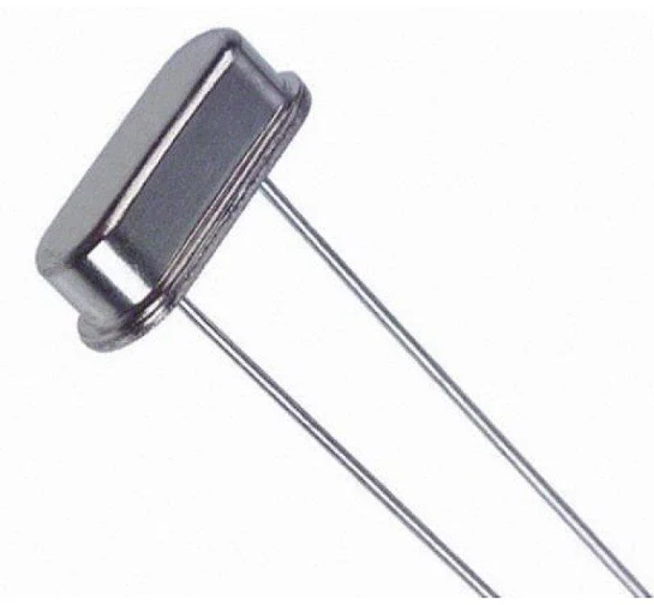 | https://www.baudaeletronica.com.br/produto/cristal-oscilador-16mhz-caneca-baixa.html?utm_source=Site&utm_medium=GoogleMerchant&utm_campaign=GoogleMerchant&gad_source=1&gad_campaignid=20292490697&gbraid=0AAAAADonfB0ZDKAUR_aLldpTN2fdaMTxG&gclid=Cj0KCQjwiqbBBhCAARIsAJSfZkaSsoF3GJZRJ24N33tM2NdR38kZH7e_beMdldH5gqW4Nq5cmthLudkaAuhsEALw_wcB
Y2 | 12MHz | 1

